System Ref (3)
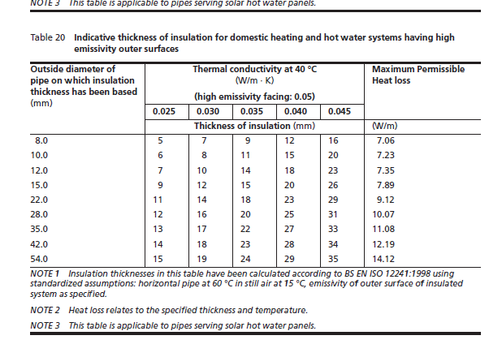
 |  |  |  |  | Reference: CIBSE Guide C Section 4
 |  |  |  |  | Note: This Excel spreadsheet is 'protected' to avoid calculations being deleted by mistake. If you want to unprotect it is, there is no password. |  |  |  |  |  |  |  |  |  |  |  |  | Key Integrated Services Ltd Unit 2 Bollin Court, Mill Lane, Lymm, Cheshire, WA13 9SX TEL: 01925 759948 FAX: 01925 758400

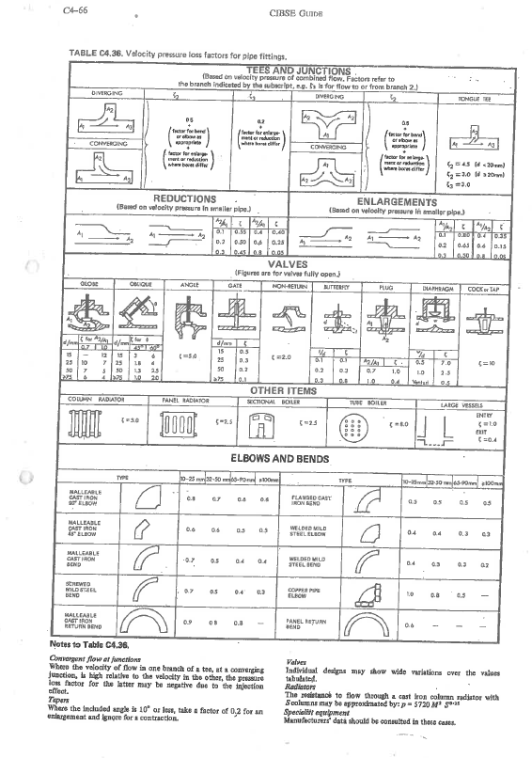
Calculation sheet ref.:
Project name: |  |  |  |  |  |  |  | By: |  |  |  |  |  |  | 1
Project number: |  |  |  |  |  |  |  | Date: |  |  |  |  |  |  | 3
System: |  |  |  |  |  |  |  | Chk'd: |  |  |  |  |  |  | 2
Pump: |  |  |  |  |  |  |  | Date:
Input |  |  |  |  | Output |  |  |  |  | System Details |  |  |  |  | Calculations
Section number | Flow (kg/s) | Pipe size (mm) | Limit velocity (default) | Limit PD (default) | Pipe size (mm) | Internal pipe size (mm) | Pressure loss (Pa/m) | Velocity (m/s) | Equivalent length of pipe (m) | Length (m) | Fitting type | No. off | K' for fitting | Item pressure or (Pa) | Total pressure drop (Pa) | Running total (Pa) | Comments/Notes
 |  |  | 1.5 m/s | 250.0 Pa/m
 |  |  |  |  |  |  |  |  |  |  |  |  |  |  | -
1 | 1.200 | 100 | 1.5 | 250.0 | 40.0 | 39.8 | 271.66 | 0.96 | 1.76 | 100.00 | bend | 10 | 0.5 |  | 29491.9 | 29491.9
2 | 5.000 | 100 | 1.5 | 250.0 | 80.0 | 78.6 | 132.60 | 1.03 | 4.10 | 50.00 | bend | 10 | 0.5 |  | 9284.4 | 38776.3
 |  |  |  |  | - | - | - | - | - |  |  |  |  | 50000 | 50000.0 | 88776.3 | Valves
 |  |  |  |  | - | - | - | - | - |  |  |  |  | 10000 | 10000.0 | 98776.3 | Pump Train
 |  |  |  |  | - | - | - | - | - |  |  |  |  |  | - | 98776.3 | Connection to Header
 |  |  |  |  | - | - | - | - | - |  |  |  |  | 10000 | 10000.0 | 108776.3 | Flow Monitor
 |  |  |  |  | - | - | - | - | - |  |  |  |  | 100000 | 100000.0 | 208776.3 | PHX (1bar allowance)
 |  |  |  |  | - | - | - | - | - |  |  |  |  |  | - | 208776.3
 |  |  |  |  | - | - | - | - | - |  |  |  |  |  | - | 208776.3
 |  |  |  |  | - | - | - | - | - |  |  |  |  |  | - | 208776.3
 |  |  |  |  | - | - | - | - | - |  |  |  |  |  | - | 208776.3
 |  |  |  |  | - | - | - | - | - |  |  |  |  |  | - | 208776.3
 |  |  |  |  | - | - | - | - | - |  |  |  |  |  | - | 208776.3
 |  |  |  |  | - | - | - | - | - |  |  |  |  |  | - | 208776.3
 |  |  |  |  | - | - | - | - | - |  |  |  |  |  | - | 208776.3
 |  |  |  |  | - | - | - | - | - |  |  |  |  |  | - | 208776.3
 |  |  |  |  |  |  |  |  |  |  |  |  |  |  |  | 2.09 | Bar
 |  |  |  |  |  |  |  |  |  | 785 | ltrs in pipework |  |  |  | 20% | 2.51 | Bar

 |  |  |  |  |  |  |  |  |  |  |  |  |  |  | Say 10kg/s@235kPa

 | Section for Sizing Domistic Secondary Pump

 |  | P1 Secondary Circulation Pump Size |  |  |  | Pipe Length | 300
 |  |  |  |  |  | loss w/m | 12 | average of 54dia and 22dia
 |  |  |  |  |  | total loss | 3.6 | kW
 |  |  |  |  | Design Margin | 20% | 4.32 | kW
 |  |  |  |  | Delta T | 5 | 0.21 | kg/s
 |  |  |  |  | Pa/m | 250 | 75 | kPa
 |  |  |  |  |  |  | Say 0.25kg/s@80kPa

IP 02-05-13-5304 Version 1

